AccountingData
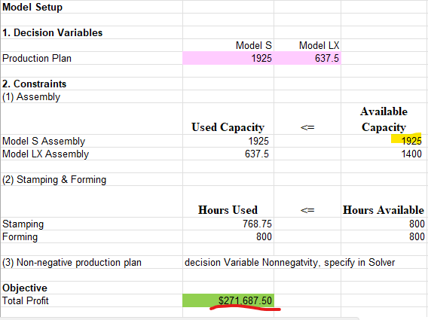
Shelby Shelving Data for Current Production Schedule

Machine requirements (hours per unit) |  |  |  |  | Given monthly overhead cost data
 | Model S | Model LX | Available |  |  | Fixed | Variable S | Variable LX
Stamping | 0.3 | 0.3 | 800 |  | Stamping | $125,000 | $80 | $90
Forming | 0.25 | 0.5 | 800 |  | Forming | $95,000 | $120 | $170
 |  |  |  |  | Model S Assembly | $80,000 | $165 | $0
 | Model S | Model LX |  |  | Model LX Assembly | $85,000 | $0 | $185
Current monthly production | 400 | 1400
 |  |  |  |  | Standard costs of the shelves -- based on the current production levels
Hours spent in departments |  |  |  |  |  | Model S | Model LX
 | Model S | Model LX | Totals |  | Direct materials | $1,000 | $1,200
Stamping | 120 | 420 | 540 |  | Direct labor:
Forming | 100 | 700 | 800 |  | Stamping | $35 | $35
 |  |  |  |  | Forming | $60 | $90
Percentages of time spent in departments |  |  |  |  | Assembly | $80 | $85
 | Model S | Model LX |  |  | Total direct labor | $175 | $210
Stamping | 22.2% | 77.8% |  |  | Overhead allocation
Forming | 12.5% | 87.5% |  |  | Stamping | $149 | $159
 |  |  |  |  | Forming | $150 | $229
Unit selling price | $1,800 | $2,100 |  |  | Assembly | $365 | $246
 |  |  |  |  | Total overhead | $664 | $635
Assembly capacity | 1925 | 1400 |  |  | Total cost | $1,839 | $2,045

Relevant Input Information
1. Resource parameters
 | Model S | Model LX | Available
Stamping Requirement (hr/unit) | 0.3 | 0.3 | 800
Forming Requirement (hr/unit) | 0.25 | 0.5 | 800
Assembly Capacity (unit) | 1900 | 1400

2. Economic parameters
Fixed Cost | $385,000.00
 | Model S | Model LX
-- Variable Overhead | $365.00 | $445.00
-- Direct Materials | $1,000.00 | $1,200
-- Direct Labor | $175.00 | $210.00
Variable Cost | $1,540.00 | $1,855.00

Unit Selling Price | $1,800.00 | $2,100.00

Model Setup

1. Decision Variables
 | Model S | Model LX
Production Plan | 1900 | 650

2. Constraints
(1) Assembly
 | Used Capacity | <= | Available Capacity
Model S Assembly | 1900 |  | 1900
Model LX Assembly | 650 |  | 1400

(2) Stamping & Forming
 | Hours Used | <= | Hours Available
Stamping | 765 |  | 800
Forming | 800 |  | 800

(3) Non-negative production plan | decision Variable Nonnegatvity, specify in Solver

Objective
Total Profit | $268,250.00

Q1. What are the best production plan for Shelby Shelving? What is the best profit the firm can achieve?
The Data advises us that under the given constrait of both assembly capacitiy and Stamping & forming hour capacity, it suggests that the best producton plan would be making 1900 unit of Model S and 650 unit of Model LX, in which it would maximize the profit up to $268,250

Q2. Who will you support between the engineer and the controller? Give a short verbal argument on why you do so.
By comparing the current production plan and the optimized production plan (refer to tab "Current Production Plan" and tab "Optimized Production Plan", it shows that increasing producton QTY of Model S from current 400 units to 1900 units and decreasing production QTY of Model LX from current 1400 units to 650 units would indeed increase and max out the total profit out of the 2 models. Therefore, we will support the controller.

Q3. Suppose Shelby wants to invest on their three departments’ capacity. Do some sensitivity analysis and answer the following questions. a. Does all departments’ capacity need to increase? Give the reason to support your claim. b. In general, which department’s capacity should be considered the first to increase? Why?
Answer for 3a: Based on the data shown on the sensitivity analysis, we could see that the Forming Hour and Model S Assembly has reached to their constrait of 800 hours and 1900 units monthly. The Stamping Hours and Model LX Assembly indeed still have not reached to their constrait. Therefore, if Shelby wants to invest on the 3 departments, we would propose to invest the forming and Model S Assembly department.
Answer for 3b: In general, if we have to pick one department to invest first, Forming department should need to be invested first as they have the highest shadow price of $490 by increasing each 1 extra unit.

Q4. Suppose there are some additional restrictions on the capacity expanding investment. Shelby plans to borrow at most $1500 from the bank at annual rate of 12% for one month, to implement any possible capacity expanding. It costs $150 to increase every one hour of capacity in forming department, and $100 for increasing every one hour of stamping capacity. In assembly department, the capacity for Model S and Model LX can be easily converted, without any cost, between each other for any amount smaller than 20 units. But it costs $300 for any conversion beyond the first 20 units and for any unit of new capacity expanding. Please answer the following questions. a. If Shelby can only change one department’s capacity, which department should be selected? And why? b. If Shelby can change multiple departments’ capacity, could you propose a best investment plan? What is it?
Answer for Question 4a: If Shelby can only change one department's capacity, we will increase the capacity for the Forming Department as it shows that Even though there is a $150 of cost to increase every one hour of capacity in forming department. However, based on sensitivity analysis report, it suggests that the shadow price is $490, which means that by increasing one hour of forming department would increase the total profit by the increase of $490/unit. The profit increase in generally outweigh the cost incurred. Since the loan we could get per month is $1500, so, it comes up that we could increase the forming hours by 10 units ($1500 divided by $150). Therefore, the forming capacity hour would increase from 800 to 810 hours. **see Model 1 screenshot** The total profit has increased to $273,150.
Answer for Question 4b:
we could increase the capacity for the stamping and assembly respectively to see the impact for comparson with model 1 mentioned above.
With the $1,500, we can increase the stamping hour capacity by 15 hour units ($1,500/$100) **see Model 2 screenshot** Total Profit = $268,250
With the $1,500, we can increase the Model S assembly, it could increase the capacity by 25 units, (first 20 units conversion with no cost, units beyond the first 20 is $300/unit. ) **see Model 3 screenshot** Total Profit =$271,687.50
Therefore, it concludes that the model 1 in which investing to the capacity to the Forming Hour has given the highest total profit among all the models.
 |  |  |  | Model 1 - increase forming capacity from 800 to 810
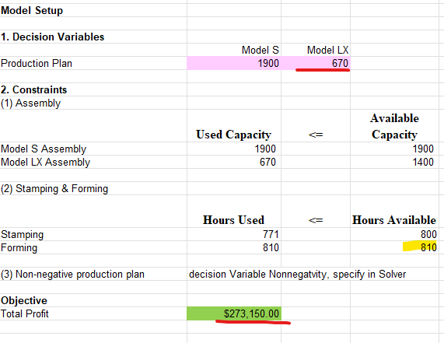

 |  |  |  | Model 2 - increase forming capacity from 800 to 815

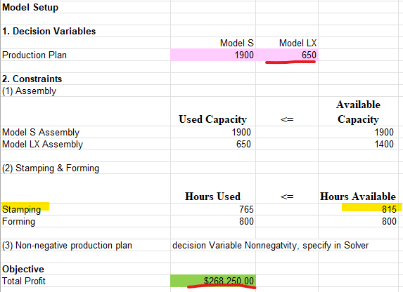

 |  |  |  | Model 3 - increase Model S Assembly Capacity from 1900 to 1925

Current Production Plan
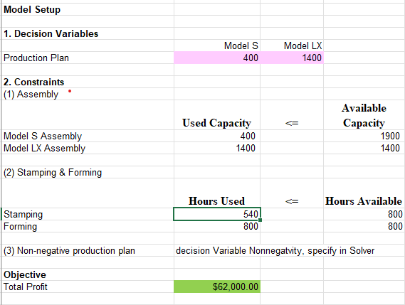
Snapshot for the current production

Optimal Production Plan Q1
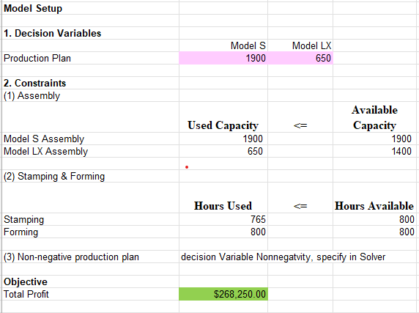
Optimized Production Plan with highest Total Profit

